Release
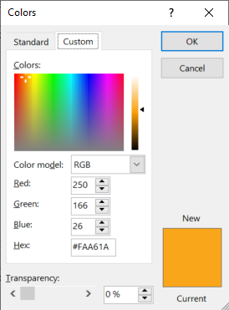
aa_bbvcc, where aa is document sort order as per user needs, bb is the template release number and cc is the document version

(r) Template release |  |  |  |  | https://www.compart.com/en/unicode/U+2022
Version | Date | Made by | Description
9 | 2-Nov-20 | Pieter van Zyl | Updates for company x
10 | 2-Nov-20 | Pieter van Zyl | Version history table added
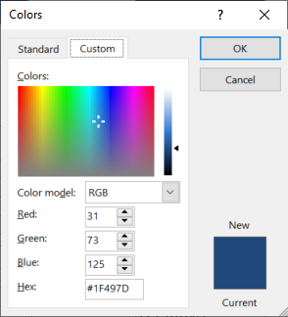
13 | 7-Nov-20 | Pieter van Zyl | Combine 01 and 02 plan in one. Merge tables . Move address sections into StartupInfo
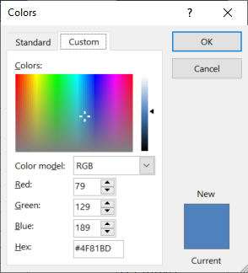
16 | 10-Nov-20 | Pieter van Zyl | Updated the macros
17 | 10-Nov-20 | Pieter van Zyl | Added OU location formula
24 | 18-Nov-20 | Pieter van Zyl | Include Opening briefing lookup (Standard). Add macros back
25 | 18-Nov-20 | Pieter van Zyl | Included resource estimates 12_ResourceEstimatesV3
26 | 19-Nov-20 | Pieter van Zyl | Start working on Participant List (All staff, all potential participants, recommended participants)
34 | 5-Dec-20 | Pieter van Zyl | Included PPQA quality flag
38 | 10-Dec-20 | Pieter van Zyl | Updated pivot table data sources.
43 | 4-Feb-21 | Pieter and Francois | Updates to align with latest BASE release 3.8.0.44 and incorporate Francois planning input.
50 | 28-Apr-21 | Pieter van Zyl | Updated formula error in P1PA-SS and Function Solution Domain reference
51 | 2-May-21 | Pieter van Zyl | Included the Measurement manager role and measurement management process
52 | 8-May-21 | Pieter van Zyl | Update the schedule to only full team.
53 | 27-May-21 | Pieter van Zyl | Small updates. Formulas in Schedule fixed. List of artifacts in tab:P3RF. Added VV3.2 (was omitted)
53 | 7-Jun-21 | Jared Twigg | Added minor changes to Schedule and
56 | 24-Sep-21 | Pieter van Zyl | Include performance report in schedule.
57 | 5-Jan-22 | Jared Twigg | Removed 1.4 from OULC tab (DPI #6)

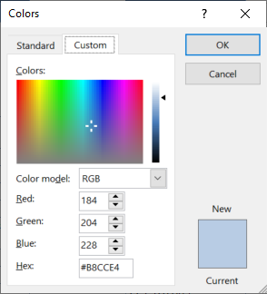
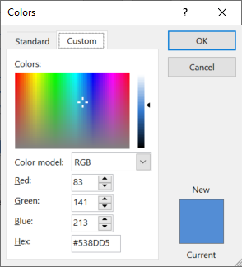

 | Planning & Managing Work |  | Engineering & Developing Products |  | Ensuring Quality

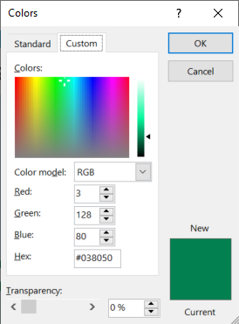
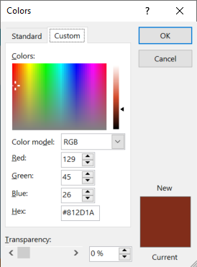
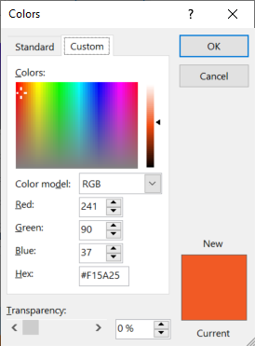

 | Managing Business Resilience |  | Managing the Workforce | Supporting Implementation |  | Sustaining Habit and Persistence | Improving Performance
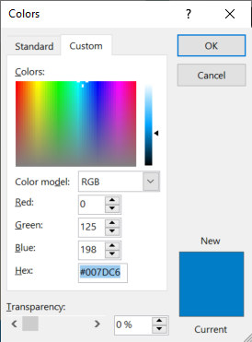
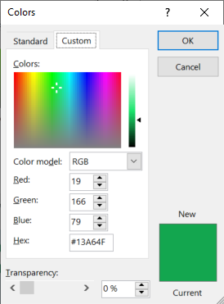
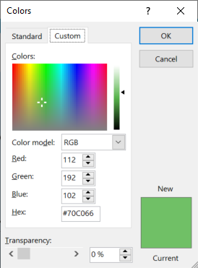
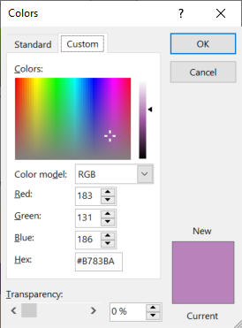
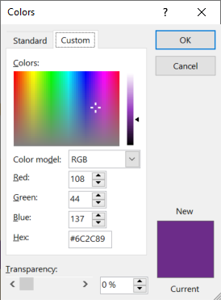

 |  |  |  | Selecting & Managing Suppliers

StartupInfo
Demix appraisal start-up information |  | Source
Organization
Organization name (legal entity name) | NASA | A3
Indigenous name | NASA | A3
Address Line 1 | The Moondoggle Dome-1
Address Line 2 | Crater Cackle Lane-1
City | Base Camp Artemis | A3
State/Province/Region | South Pole | A3
ZIP/Postal Code | MO0N 1GHT
Country | Moon | A3
Organization main address including City, ZIP/Postal Code, and Country | The Moondoggle Dome-1, Crater Cackle Lane-1, Base Camp Artemis, South Pole, MO0N 1GHT, Moon | .
Website address / URL | https://www.nasa.gov/feature/artemis/
Business objectives | [BO-1] Achieve maximum safety by reducing workplace incidents by 20% within the next fiscal year. [BO-2] Improve delivery capacity by increasing throughput by 35% over the next 18 months. [BO-3] Minimize costs by cutting operational expenses by 15% by the end of Q4 | Planning
Appraisal objectives | [A1] In support of the business objectives, understand the current strength and weaknesses of the CMMI Maturity Level 5 practices within the organization [BO-1, BO-2 & BO-3]. | Planning
Company logo | 

OU Information
OU Name | Space Operations Mission Directorate (SOMD)
OU Name (Chinese)
OU Description | The company provides space exploration services…
OU Structure (write, no picture) | 1. Lunar Launch and Logistics Division (L3D) 2. Orion and Deep Space Habitat Operations (ODSHO) 3. Lunar Surface Exploration and Science Division (LSESD) 4. Space Communications and Navigation Network (SCNN) 5. Crew Training and Mission Simulation Center (CTMSC) 6. Artemis Mission Integration and Support Office (AMISO) 7. Demix Best Practice Support Outsourcing Division (DBPSOD)
Domain | (J-62) Information and communication - Computer programming, consultancy and related activities | Drop down
Previous appraisal ID | TO BE PROVIDED
OU locations | If address is different from the organisation, manually enter the address in StartupInfo/below, and unhide the new address in pptxLink1, so it displays in the pptx | .
Address Line 1 | The Moondoggle Dome-1
Address Line 2 | Crater Cackle Lane-1
City | Base Camp Artemis | A3
State/Province/Region | South Pole | A3
ZIP/Postal Code | MO0N 1GHT
Country | Moon | Drop down
Organization main address including City, ZIP/Postal Code, and Country | The Moondoggle Dome-1, Crater Cackle Lane-1, Base Camp Artemis, South Pole, MO0N 1GHT, Moon | .

Appraisal Sponsor and ATL Information
Title | Administrator of NASA | A3
Sponsor Name | Bill Nelson | A3
Organizational affiliation | NASA | A3
Relationship to the Organizational Unit (OU) | Internal | Drop down
Appraisal Sponsor mailing address including city, ZIP/Postal Code, country | The Moondoggle Dome-1, Crater Cackle Lane-1, Base Camp Artemis, South Pole, MO0N 1GHT, Moon | .
Sponsor email address | bill.nelson@nasa.gov | A3
Sponsor phone number | +1 202-358-0001 | A3

OU Coordinator
OU Coordinator name | Ella Harper | A3
Relationship to the OU being appraised | Internal | Drop down
Phone number | +1 202-358-0002 | A3
Email address | ella.harper@nasa.gov | A3

Translator
Name | Lingua Bridges | A3
Organizational Affiliation | Freelance | A3
OU Relationship | External | Drop down
Reporting Relationship | Other | Drop down
Other Reporting Relationship | Reports directly to the ATL
Phone number | +1 202-358-0003 | A3
Email address | lingua.bridges@ris.com | A3

P3RF
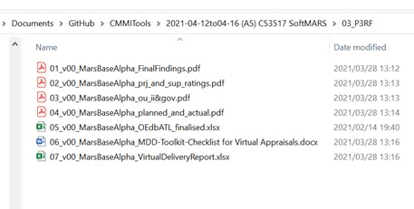
Appraisal Results and Feedback
Team Feedback Froms
Perform in CAS

Appraisal Artifacts
see list in 03_P3RF

